1
 | CANADA GOOSE MEN |  | S | M | L | XL | XXL | TOTAL | RRP €
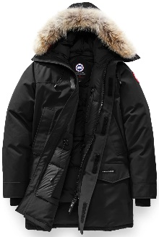 | Langford | Black | 2 | 2 | 2 | 2 |  | 8 | 995.00 €
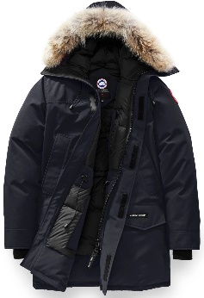 | Langford | Navy | 2 | 2 | 4 | 3 |  | 11 | 995.00 €
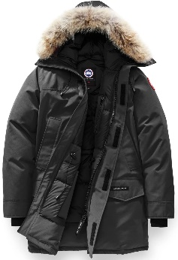 | Langford | Graphite | 6 | 4 | 4 | 3 |  | 17 | 995.00 €
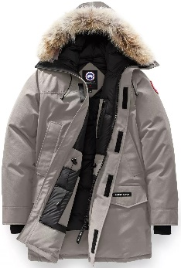 | Langford | Limestone | 2 | 0 | 1 | 1 |  | 4 | 995.00 €
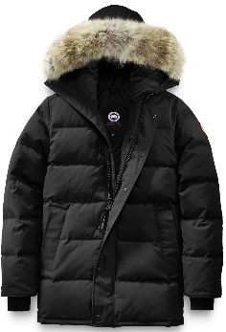 | Carson | Black | 2 | 4 | 4 | 2 |  | 12 | 1,050.00 €
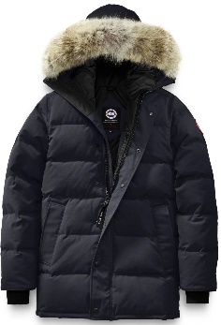 | Carson | Navy | 1 | 1 | 1 | 3 |  | 6 | 1,050.00 €
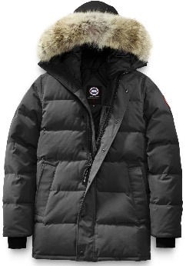 | Carson | Graphite | 0 | 3 | 3 | 3 |  | 9 | 1,050.00 €
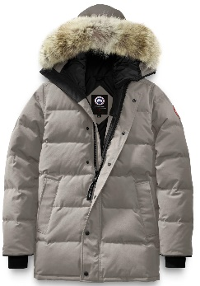 | Carson | Limestone | 1 | 4 | 4 | 2 |  | 11 | 1,050.00 €
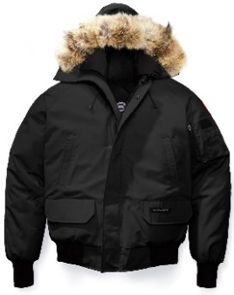 | Chilliwack | Black | 4 | 4 | 4 | 4 | 4 | 20 | 850.00 €
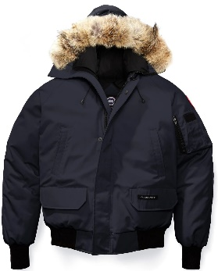 | Chilliwack | Navy | 4 | 4 | 4 | 4 | 4 | 20 | 850.00 €
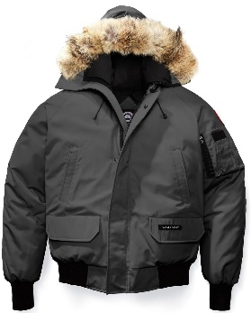 | Chilliwack | Graphite | 5 | 5 | 5 | 5 | 5 | 25 | 850.00 €
 | CANADA GOOSE WOMEN |  | XS | S | M | L | XL | TOTAL
 | Loretto | Black | 8 | 8 | 8 | 8 | 8 | 40 | 995.00 €
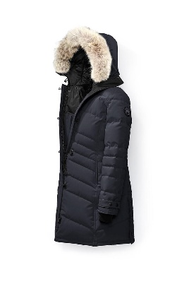 | Loretto | Navy | 6 | 3 | 0 | 2 | 6 | 17 | 995.00 €
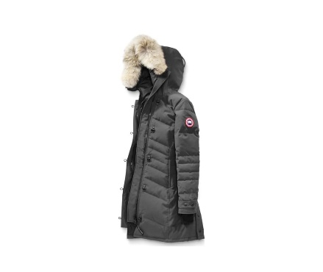 | Loretto | Graphite | 16 | 16 | 8 | 8 | 8 | 56 | 995.00 €
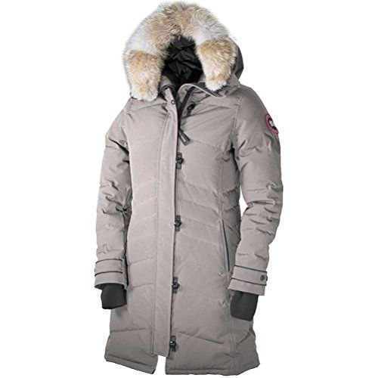 | Loretto | Limestone | 9 | 0 | 0 | 5 | 10 | 24 | 995.00 €

 |  |  |  |  |  |  | Total. | 280

